Sheet1
 |  |  |  |  |  |  |  |  | 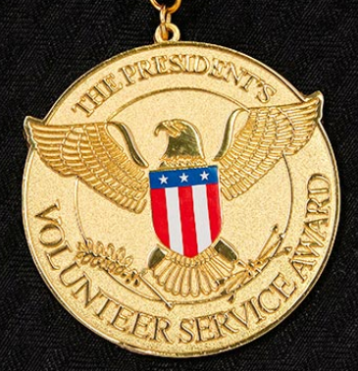
Application for 2022-2023 UDCA-PVSA (Deadline: 08-30-2023)
Note: Please email your completed application form and/or questions related to UDCA-PVSA to PVSA@udchinese.org; Attach a time log for your volunteer work.
Name |  | Email | DOB (MM/DD/YYYY) | Age | Age Group | Focus Area | Date | Time (hr) | Supervisor(s) for Verification (email or phone #)
English | 中文
 |  |  |  |  | Kids[5-10 yrs old]
 |  |  |  |  | Kids[5-10 yrs old]
 |  |  |  |  | Kids[5-10 yrs old]
 |  |  |  |  |  |  | Total hours:

 |  |  |  |  | Signature 评委会主席签字 |  |  | Date 日期

